Q4
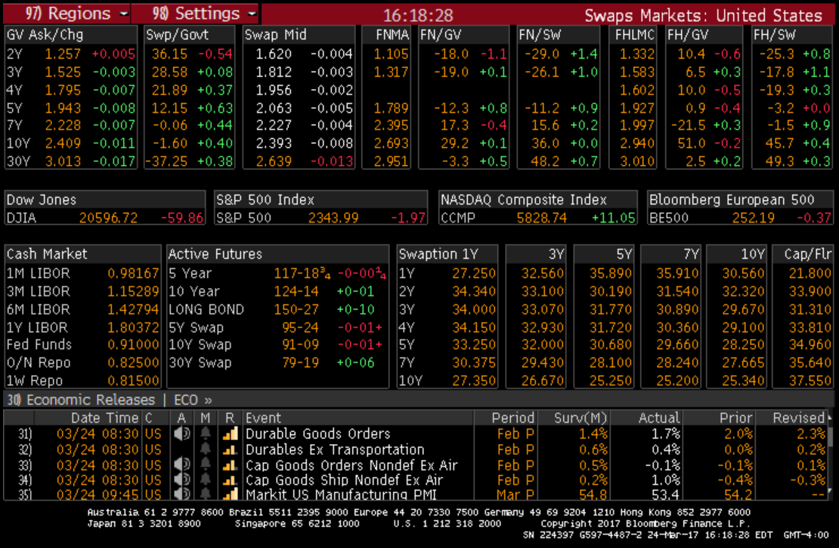
time | DF | AF | Ypar | Obsersed
0 |  |  | 2.3478% | 2.3930% |  | used
0.5 | 0.993771 | 0.993771 |  |  | 0.993759 | 0.993745
1 | 0.986415 | 1.980186 |  |  | 0.986354 | 0.986291
1.5 | 0.97793 | 2.958116 |  |  | 0.97772 | 0.977595
2 | 0.96847 | 3.926586 |  |  | 0.968233 | 0.968191
2.5 | 0.958452 | 4.885038 |  |  | 0.957958 | 0.957893
3 | 0.947894 | 5.832932 |  |  | 0.947153 | 0.947062
3.5 | 0.937161 | 6.770093 |  |  | 0.936258 | 0.936161
4 | 0.926078 | 7.696171 |  |  | 0.924871 | 0.924771
4.5 | 0.914894 | 8.611065 |  |  | 0.913493 | 0.913418
5 | 0.903592 | 9.514657 |  |  | 0.901925 | 0.90188
5.5 | 0.892187 | 10.406844 |  |  | 0.890282 | 0.890263
6 | 0.880774 | 11.287618 |  |  | 0.878629 | 0.87864
6.5 | 0.869301 | 12.156919 |  |  | 0.866921 | 0.866961
7 | 0.8579 | 13.014819 |  |  | 0.855223 | 0.855295
7.5 | 0.846257 | 13.861076 |  |  | 0.843375 | 0.843477
8 | 0.834802 | 14.695878 |  |  | 0.831915 | 0.832047
8.5 | 0.823478 | 15.519356 |  |  | 0.820158 | 0.82035
9 | 0.812135 | 16.331491 |  |  | 0.808575 | 0.808827
9.5 | 0.800834 | 17.132325 |  |  | 0.797131 | 0.797398
10 | 0.78961 | 17.921935 |  |  | 0.785641 | 0.785925

Q2&3ss
swap items

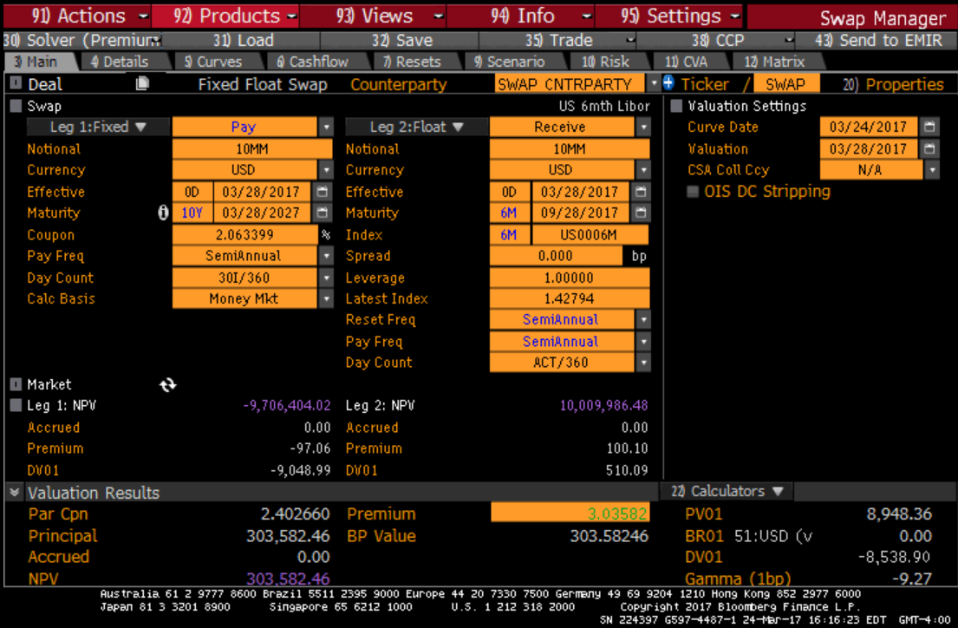
Fixed Leg
Face | 100 | time | CF | DF | PV | Price | YTM | Duration | M.D
Maturity | 10 | 0 | -102.5641 |  |  | 102.5641 | 2.3449% | 8.9370 | 8.7322
settlement | today | 1 | 1.3170 | 0.9938 | 1.3088
Coupon rate | 0.0263399 | 2 | 1.3170 | 0.9864 | 1.2991
Pay Freq | semi | 3 | 1.3170 | 0.9779 | 1.2879
 |  | 4 | 1.3170 | 0.9685 | 1.2755
 |  | 5 | 1.3170 | 0.9585 | 1.2623
 |  | 6 | 1.3170 | 0.9479 | 1.2484
 |  | 7 | 1.3170 | 0.9372 | 1.2342
 |  | 8 | 1.3170 | 0.9261 | 1.2196
 |  | 9 | 1.3170 | 0.9149 | 1.2049
 |  | 10 | 1.3170 | 0.9036 | 1.1900
 |  | 11 | 1.3170 | 0.8922 | 1.1750
 |  | 12 | 1.3170 | 0.8808 | 1.1600
 |  | 13 | 1.3170 | 0.8693 | 1.1449
 |  | 14 | 1.3170 | 0.8579 | 1.1299
 |  | 15 | 1.3170 | 0.8463 | 1.1145
 |  | 16 | 1.3170 | 0.8348 | 1.0994
 |  | 17 | 1.3170 | 0.8235 | 1.0845
 |  | 18 | 1.3170 | 0.8121 | 1.0696
 |  | 19 | 1.3170 | 0.8008 | 1.0547
 |  | 20 | 101.3170 | 0.7896 | 80.0009

Floated Leg
Face | 100 | time | CF | DF | PV | Price | YTM | Duration | M.D
Maturity | 0.5 | 0 | -100 |  |  | 100 | 1.2536% | 0.5008 | 0.4945809477
settlement | today | 1 | 100.62680436 | 0.9938 | 100
Coupon rate | 0.0062680
Pay Freq | semi

Mar27's DFs
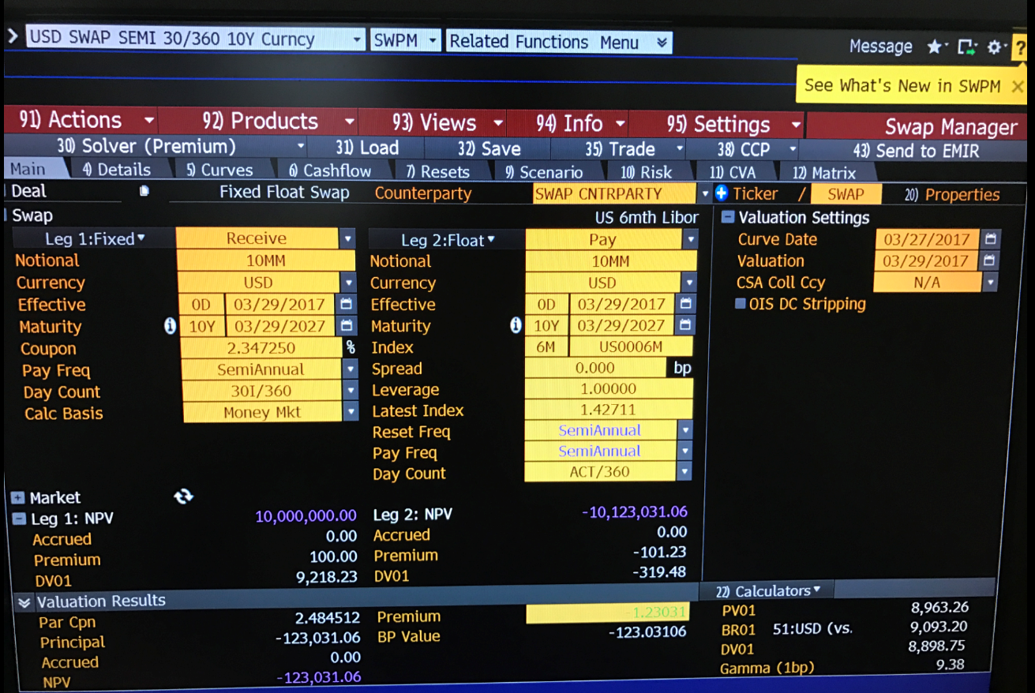
Pay Date | Discount
09/29/2017 | 0.993771
03/29/2018 | 0.986415
09/28/2018 | 0.977930
03/29/2019 | 0.968470
09/30/2019 | 0.958452
03/30/2020 | 0.947894
09/29/2020 | 0.937161
03/29/2021 | 0.926078
09/29/2021 | 0.914894
03/29/2022 | 0.903592
09/29/2022 | 0.892187
03/29/2023 | 0.880774
09/29/2023 | 0.869301
03/28/2024 | 0.857900
09/30/2024 | 0.846257
03/31/2025 | 0.834802
09/29/2025 | 0.823478
03/30/2026 | 0.812135
09/29/2026 | 0.800834
03/30/2027 | 0.789610

